Test Report
Default Test Run Report

Project Name |  |  | Project 1
User Name |  |  | MTS
Test Name |  |  | MME 3407_S20 50mm Gage Length ASTM E8 Metals Tension (Extensometer-Crosshead) 19
Test Run Name |  |  | Test Run 1
Test Run Date |  |  | 9/25/2020 10:41:07 AM

Test Run Review Graph
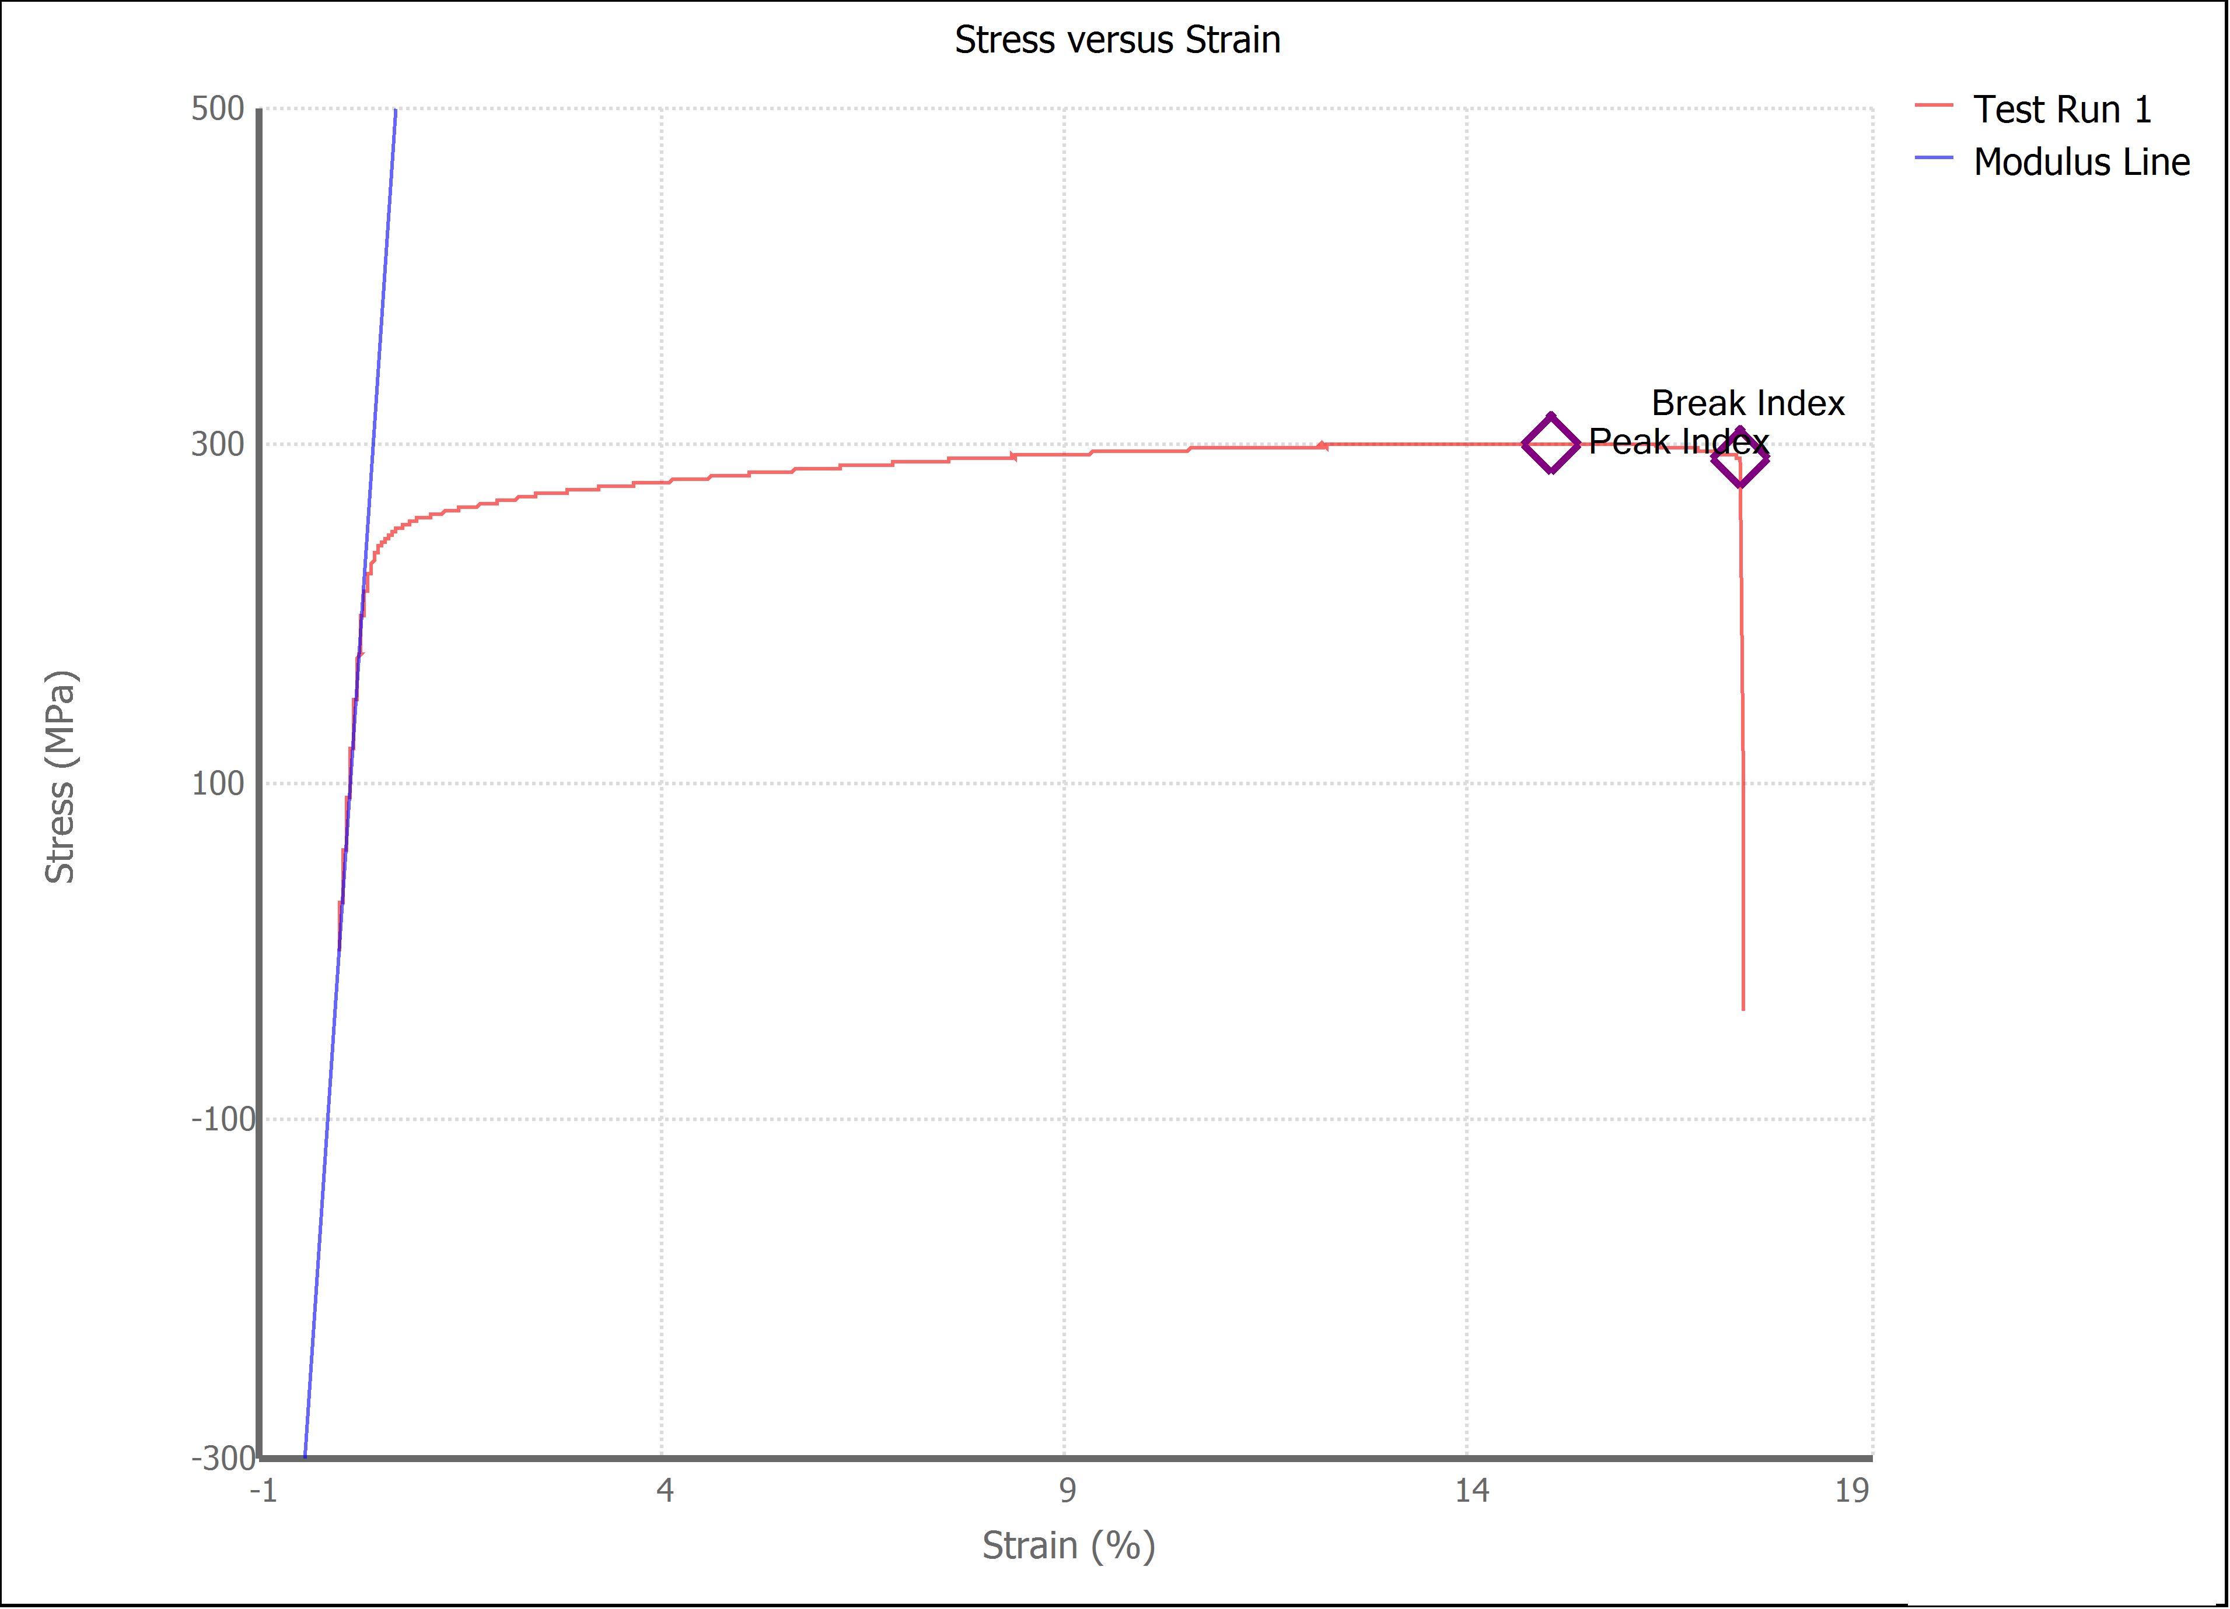

Test Run Results:
Display Name | Value | Unit
Test Run End Reason | Break Detected
Width | 13.530 | mm
Thickness | 3.120 | mm
Final Width | 11.430 | mm
Final Thickness | 2.000 | mm
Test ID | Al
Initial Marked Gage Length | 50.000 | mm
Maximum Force | 2852.020 | lbf
Maximum Stress | 300.5 | MPa
Elongation at Fracture | 17.356 | %
Elongation after Break | 14.520 | %
Upper Yield strength | 274.208 | MPa
Modulus of Elasticity | 70550.474 | MPa |  | 11707.900
Yield Strength (Offset = 0.2%) | 240.882 | MPa
Yield Strength (EUL = 0.5%) | 237.766 | MPa
Removal Point | 1.250 | mm
Ultimate Tensile Strength | 300.529 | MPa
Reduction of Area | 45.8468 | %
Lower Yield Strength | #NUM! | MPa
Final Marked Gage Length | 57.260 | mm

